Sheet 1 - CASPA Miniatures Orde
CASPA Miniatures Order sheet
Name | Tree A | Name | Tree B | Name | Tree C | Name | Tree D | Name | Tree E | Name | Totoro A | Name | Bear A
Price | $1.00 | Price | $1.00 | Price | $1.00 | Price | $1.00 | Price | $1.00 | Price | $5.00 | Price | $1.00
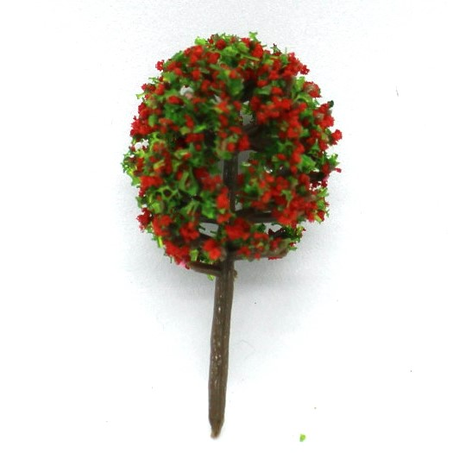 |  | 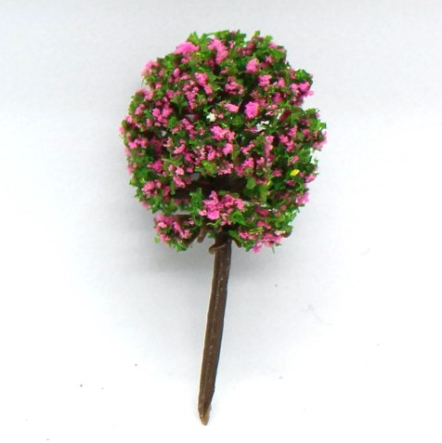 |  | 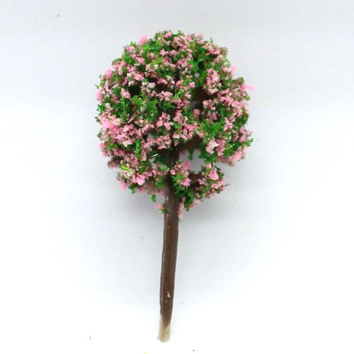 |  | 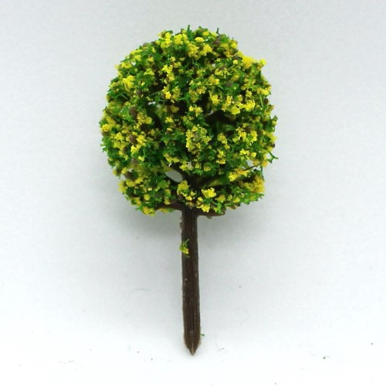 |  | 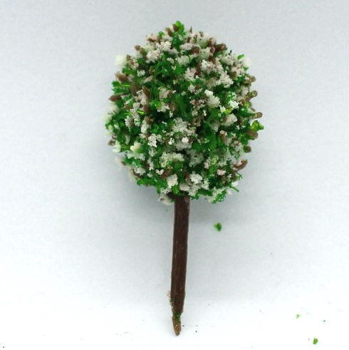 |  | 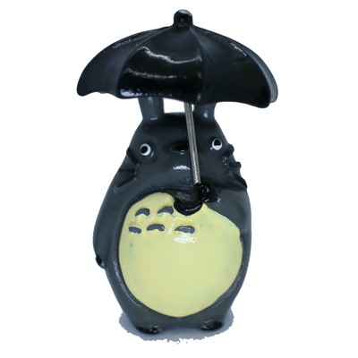 |  | 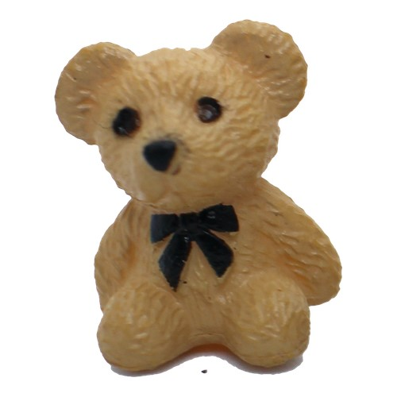
Size | 40x20 mm | Size | 40x20 mm | Size | 40x20 mm | Size | 40x20 mm | Size | 40x20 mm | Size | 45x28 mm | Size | 20x15 mm
Order |  | Order |  | Order |  | Order |  | Order |  | Order |  | Order
Total | $0.00 | Total | $0.00 | Total | $0.00 | Total | $0.00 | Total | $0.00 | Total | $0.00 | Total | $0.00
Name | Sakura A | Name | Sakura B | Name | Tree F | Name | Elephant A | Name | Elephant B | Name | Totoro B | Name | Bear B
Price | $2.00 | Price | $2.00 | Price | $2.00 | Price | $2.00 | Price | $2.00 | Price | $3.00 | Price | $1.00
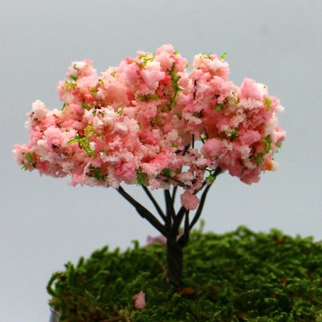 |  | 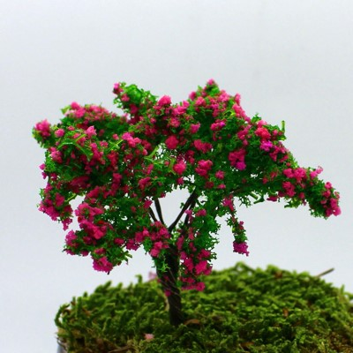 |  | 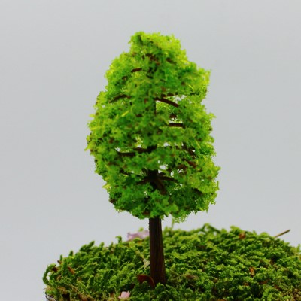 |  | 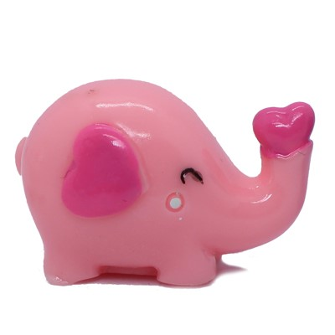 |  | 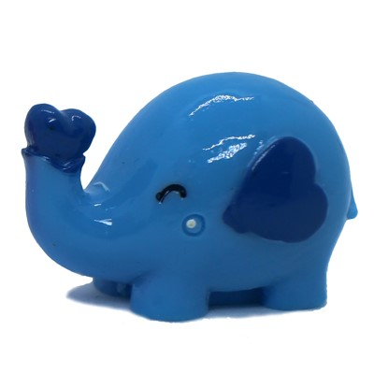 |  | 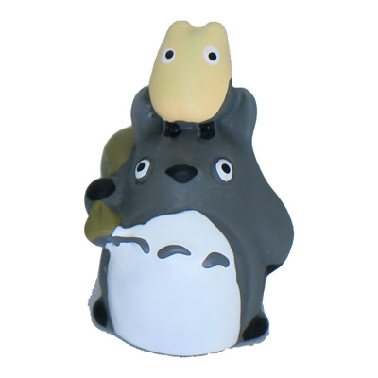 |  | 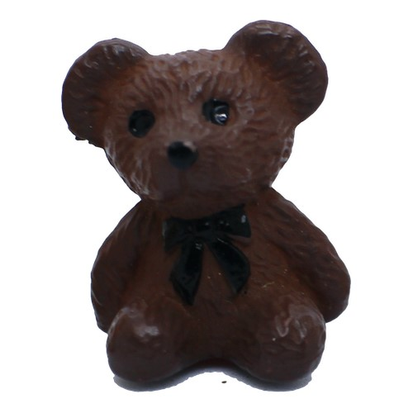
Size | 60x50 mm | Size | 60x50 mm | Size | 60x30 mm | Size | 20x30 mm | Size | 20x30 mm | Size | 27x18 mm | Size | 20x15 mm
Order |  | Order |  | Order |  | Order |  | Order |  | Order |  | Order
Total | $0.00 | Total | $0.00 | Total | $0.00 | Total | $0.00 | Total | $0.00 | Total | $0.00 | Total | $0.00
Name | Bear Cup A | Name | Bear Cup B | Name | Bear Cup C | Name | Bear Cup D | Name | Bear Cup E | Name | Totoro C | Name | Bear C
Price | $2.00 | Price | $2.00 | Price | $2.00 | Price | $2.00 | Price | $2.00 | Price | $3.00 | Price | $1.00
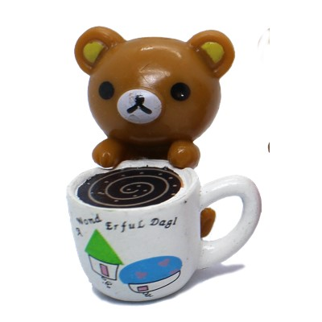 |  | 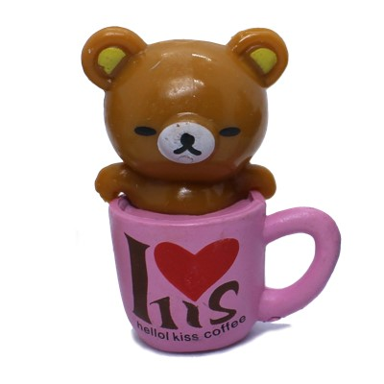 |  | 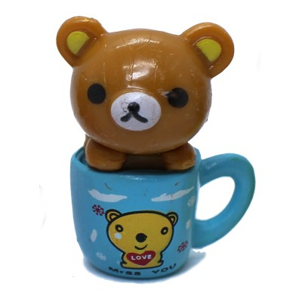 |  | 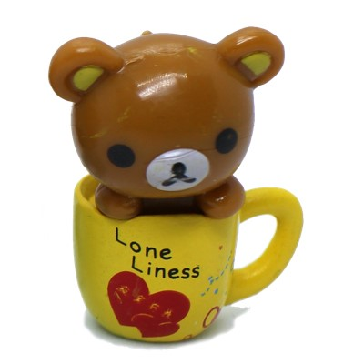 |  | 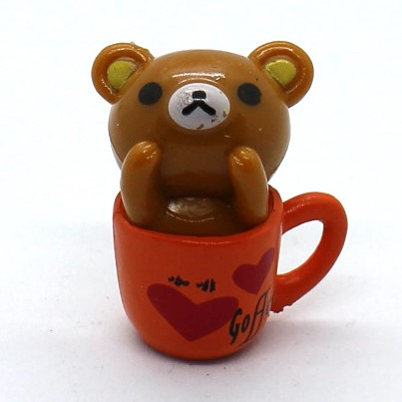 |  | 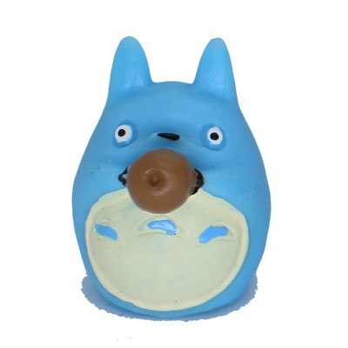 |  | 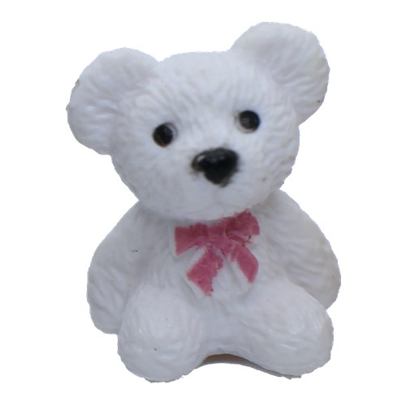
Size | 28x23 mm | Size | 28x23 mm | Size | 28x23 mm | Size | 28x23 mm | Size | 28x23 mm | Size | 30x20 mm | Size | 20x15 mm
Order |  | Order |  | Order |  | Order |  | Order |  | Order |  | Order
Total | $0.00 | Total | $0.00 | Total | $0.00 | Total | $0.00 | Total | $0.00 | Total | $0.00 | Total | $0.00
Name | Bear Cup F | Name | Rabbit A | Name | Rabbit B | Name | Whale A | Name | Whale B | Name | I Love You | Name | Bear D
Price | $2.00 | Price | $1.50 | Price | $1.50 | Price | $1.00 | Price | $1.00 | Price | $1.50 | Price | $1.00
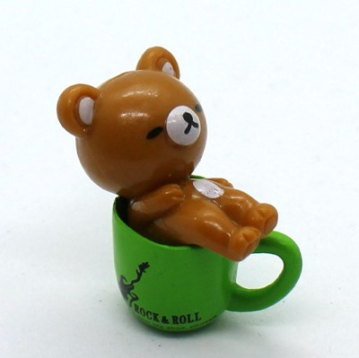 |  | 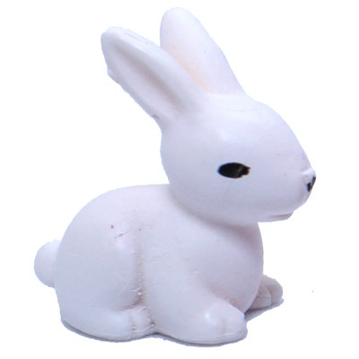 |  | 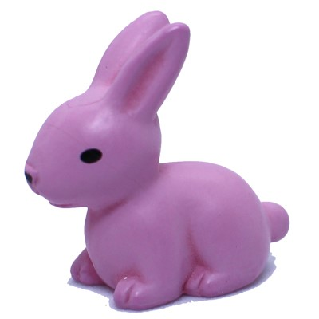 |  | 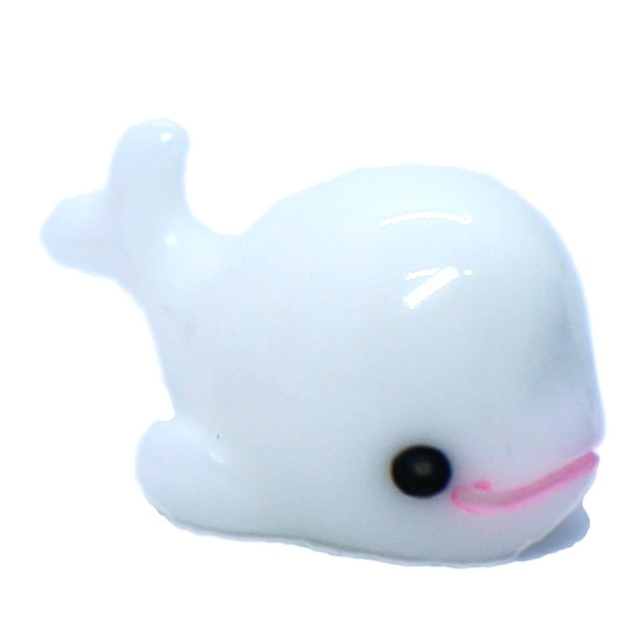 |  | 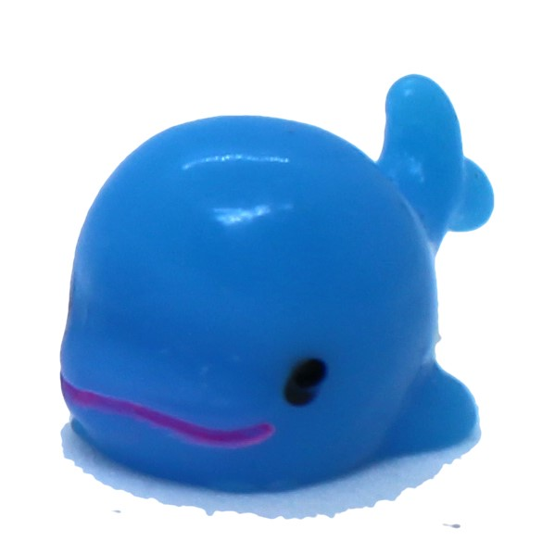 |  | 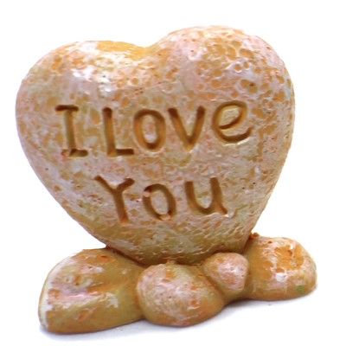 |  | 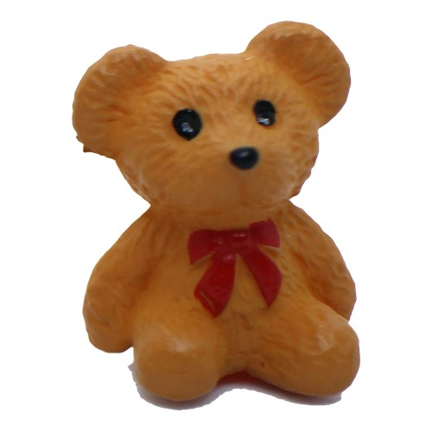
Size | 28x23 mm | Size | 22x18 mm | Size | 22x18 mm | Size | 10x16 mm | Size | 10x16 mm | Size | 25x25 mm | Size | 20x15 mm
Order |  | Order |  | Order |  | Order |  | Order |  | Order |  | Order
Total | $0.00 | Total | $0.00 | Total | $0.00 | Total | $0.00 | Total | $0.00 | Total | $0.00 | Total | $0.00
Name | Cat A | Name | Cat B | Name | UNicorn | Name | Crush Glass | Name | Top Coat Liq. | Name | Artificial Flower
Price | $2.00 | Price | $2.00 | Price | $3.00 | Price | $0.50 | Price | $0.50 | Price | $0.50
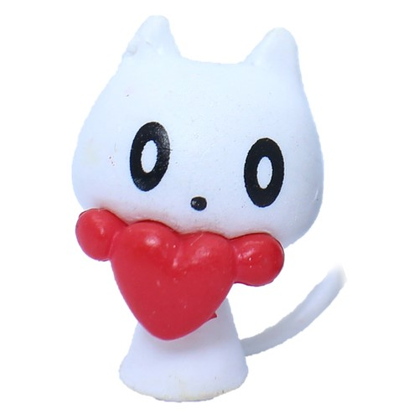 |  | 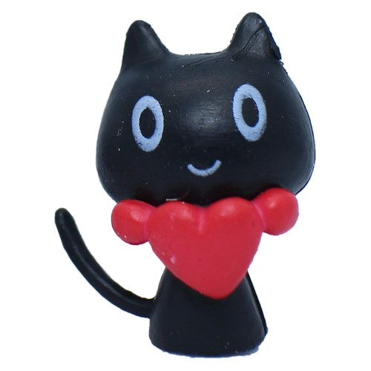 |  | 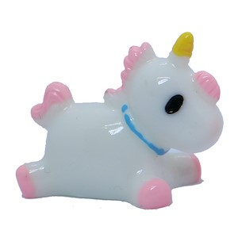 |  |  |  | 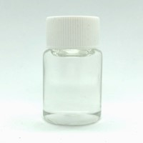 |  | 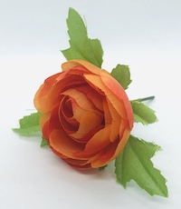 |  | *Artificial Flower will be different color than the image
Size | 20x15 mm | Size | 20x15 mm | Size | 25x30 mm | Size | 20 gram | Size | 20 ml/7oz | Size | 1 | Sub Total | $0.00
Order |  | Order |  | Order |  | Order |  | Order |  | Order |  | GST | $0.00
Total | $0.00 | Total | $0.00 | Total | $0.00 | Total | $0.00 | Total | $0.00 | Total | $0.00 | G.Total | $0.00

